Charts
OLD CLIENT ANALYSIS - DASHBOARD IN EXCEL
Insured vs Not Insured (Old Clients)
Insurance Rate by Risk Factor (Yes vs No)
Insured | 230 |  |  |  |  | Factor | No (%) | Yes (%)
Not Insured | 452 |  |  |  |  | Govt Worker | 37.9 | 21.6
 |  |  |  |  |  | Graduate | 35.3 | 33.4
 |  |  |  |  |  | Chronic Disease | 32.8 | 36.1
 |  |  |  |  |  | Freq Flyer | 28.3 | 54.2
 |  |  |  |  |  | Travelled Abroad | 24.2 | 75

Insurance Uptake Rate by Age Group
Insurance Rate by Annual Income Bracket
Age Group | Ins Rate % | Customer Count | Income | Ins Rate % | Count
25-27 | 41.5 | 147 | <5L | 14 | 50
28-29 | 21.8 | 239 | 5-7L | 22 | 127
30-31 | 30.8 | 104 | 7-9L | 24.4 | 180
32-33 | 37.8 | 82 | 9-12L | 24.8 | 218
34-35 | 49.1 | 110 | >12L | 65.1 | 107

Insurance Uptake by Family Size
Old vs New Client Profile Comparison
Family Size | Ins Rate % |  | Segment | Old (%) | New (%)
2 | 34.6 |  | Govt Worker | 25.8 | 30.1
3 | 30.8 |  | Graduate | 85 | 85.3
4 | 29.7 |  | Chronic Dis | 28 | 27.6
5 | 29.9 |  | Freq Flyer | 21.1 | 20.9
6 | 44.7 |  | Travelled Abroad | 18.8 | 19.3
7 | 42.6
8 | 31.2
9 | 33.3

Dashboard
🛡️ TRAVEL INSURANCE ANALYTICS DASHBOARD

👥 682 |  |  | 👥 683 |  | ✅ 230 |  |  | ❌ 452 |  |  | 📈 33.7%

Old Clients |  |  |  | New Clients |  | Insured (Old) |  |  |  | Not Insured | Insurance Rate

Insurance Rate by Factor
Insurance Rate by Income
📊 Insurance by Key Factors |  |  |  |  |  |  | 💰 Income & Age Analysis
Factor | No % | Yes % |  |  |  |  | Income | Rate %
Govt Worker | 37.9 | 21.6 |  |  |  |  | <5L | 14
Graduate | 35.3 | 33.4 |  |  |  |  | 5-7L | 22
Chronic Dis | 32.8 | 36.1 |  |  |  |  | 7-9L | 24.4
Freq Flyer | 28.3 | 54.2 |  |  |  |  | 9-12L | 24.8
Abroad | 24.2 | 75 |  |  |  |  | >12L | 65.1

Uptake by Age Group
Insured vs Not (Old Clients)
Insured | 230 |  |  |  |  |  | Age | Rate %
Not Insured | 452 |  |  |  |  |  | 25-27 | 41.5
 |  |  |  |  |  |  | 28-29 | 21.8
 |  |  |  |  |  |  | 30-31 | 30.8
 |  |  |  |  |  |  | 32-33 | 37.8
 |  |  |  |  |  |  | 34-35 | 49.1

Insurance by Family Size
Old vs New: Client Profile
👨‍👩‍👧‍👦 Family Size Impact |  |  |  |  |  |  | 🆚 Old vs New Client Comparison
Family | Rate % |  |  |  |  |  | Segment | Old % | New %
2 | 34.6 |  |  |  |  |  | Govt Worker | 25.8 | 30.1
3 | 30.8 |  |  |  |  |  | Graduate | 85 | 85.3
4 | 29.7 |  |  |  |  |  | Chronic Dis | 28 | 27.6
5 | 29.9 |  |  |  |  |  | Freq Flyer | 21.1 | 20.9
6 | 44.7 |  |  |  |  |  | Travelled Abroad | 18.8 | 19.3
7 | 42.6
8 | 31.2
9 | 33.3

Stat_Charts
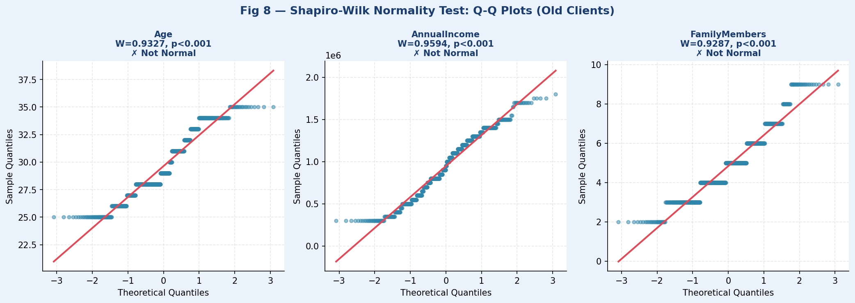
📐 STATISTICAL ANALYSIS — ALL CHARTS & VISUALIZATIONS

Fig 1 — Descriptive Analysis: Box Plots (Insured vs Not Insured)
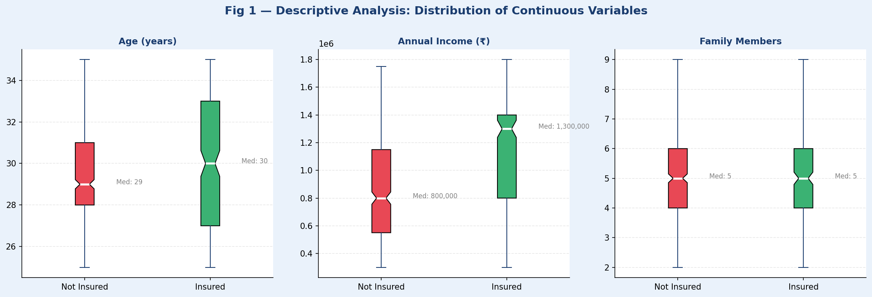

Fig 2 — Chi-Square Test: Insurance Uptake by Binary Factors


Fig 3 — Pearson Correlation Heatmap (All Variables)
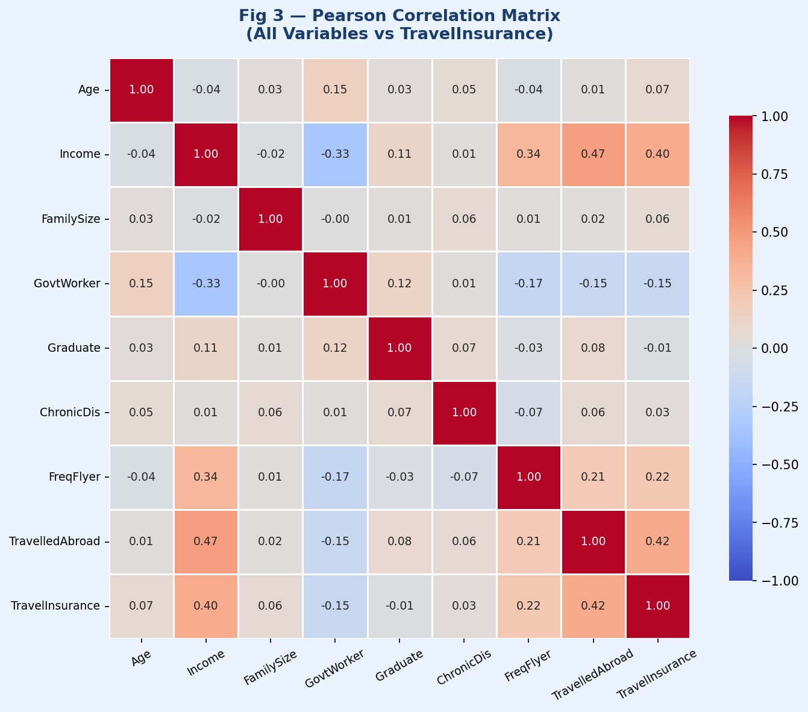

Fig 4 — T-Test: Income Distribution Comparison
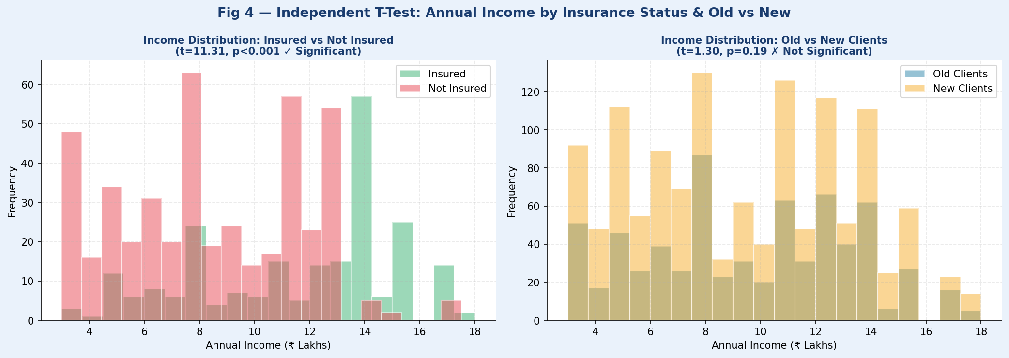

Fig 5 — Logistic Regression Coefficients & ROC Curve
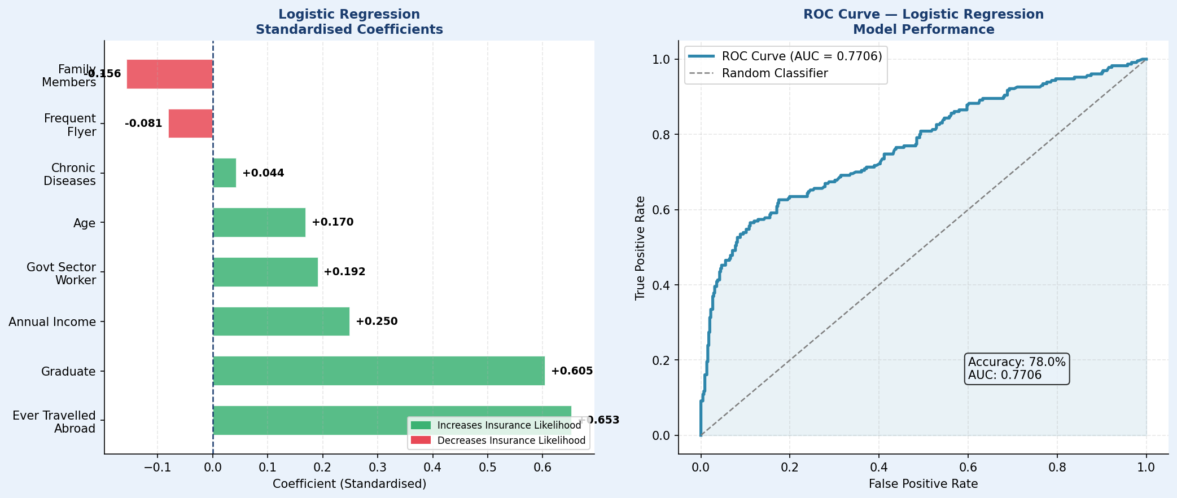

Fig 6 — Confusion Matrix (Model Evaluation)
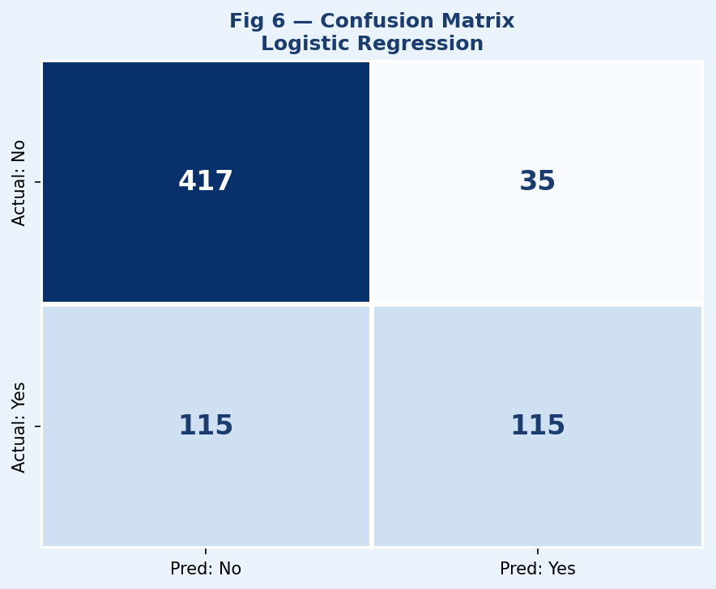

Fig 7 — Old vs New Client Profile Comparison
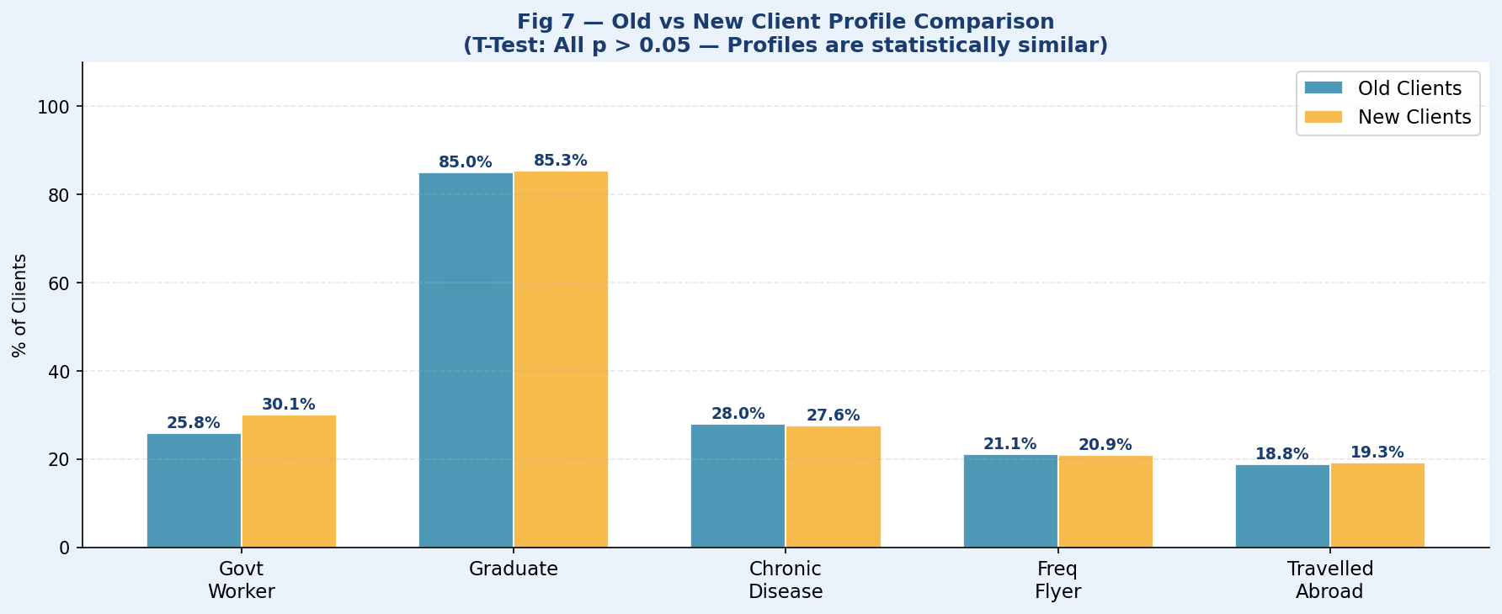

Fig 8 — Normality Q-Q Plots (Shapiro-Wilk)

